2. Physical 구성도
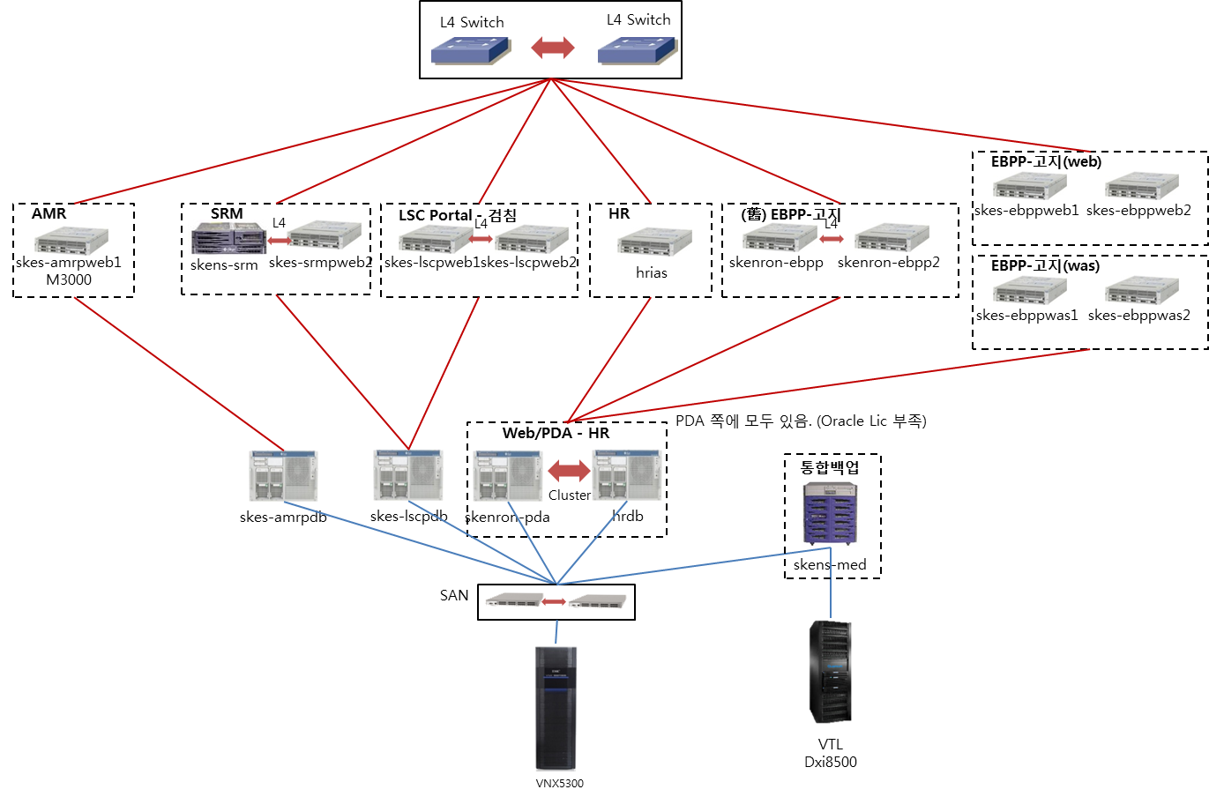

* 운영 환경 구성도 작성
* DR 센터의 경우 구성이 간단한 경우 운영 환경에 포함하여 작성하며 복잡한 경우 별도의 시트로 구분하여 작성(시트명 : 2. Physical 구성도(DR))
* 다중화 구성의 경우 관계 명시(Active-Standby 등)
* Blade/x86/스토리지/백업장비 등 그림 구분 표시(기존 자료 활용)
* 주요 정보는 서버명/업무용도만 표시하며 담당자 필요 시 추가 가능(예 : IP, OS등)

3. Server 가상화(Host-VM)
호스트 명 | 호스트 IP | 서버명(VM) | VM 버전

해당사항 없음

8. 기타
* 운영 시 유의사항, 타 담당자에 대한 Communication 사항 등 운영, 장애 조치 등 필요한 정보를 작성
* 별도의 양식은 없으며 담당자 자유 양식으로 작성

